Istanbul 2026
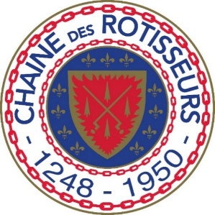


CONCOURS INTERNATIONAL DES JEUNES CHEFS ROTISSEURS COMBINED |  |  |  |  |  |  | ENGLISH
 | COMMON TABLE
 |  | 2026 Istanbul, Turkey

Dairy | Grocery |  |  |  | Herbs | Spices

Butter | Eggs |  | Sugar, brown |  | Basil | Caraway Seeds

Cream | Gelatine leaves |  | Sugar, white | Tomato paste | Bay | Cardamon Pod

Creme Fraiche | Balsamic vinegar dark |  | Powdered sugar | Pepper, black | Chives | Cayenne

Milk 1,5% | White wine vinegar |  | Wheat flour, white | Pepper, white | Coriander | Cinnamon Sticks

Natural yoghurt | olive oil, extra virgin |  | Potato starch | Agar-Agar | Dill | Cumin

 | Grapeseed Oil |  | Corn Meal | Vanilla beans | Garlic | Curry Powder

 | Sunflower Oil |  | Panko Flour |  | Ginger Fresh | Dijon Mustard

Broths and funds |  |  | Baking powder | Citric acid | Mint | Marjoram Ground

Vegetable stock | Filo pastry |  | Baking soda | Babyleaf | Parsley | Mustard Seeds

Fish stock | Nori sheets |  | Dry yeast | Selection of various cress | Rosemary | Paprika

Chicken Stock | Soy sauce 2 varieties |  | Walnuts | Sea salt | Tarragon | Star Anise

Beef Stock | White Wine |  |  |  | Thyme | Tumeric

 | Red Wine |  | Brandy

 | Milk Chocolate |  | Gold Chocolate | Maple Syrup

 | Dark Chocolate |  | White Chocolate

Frankfurt 2017
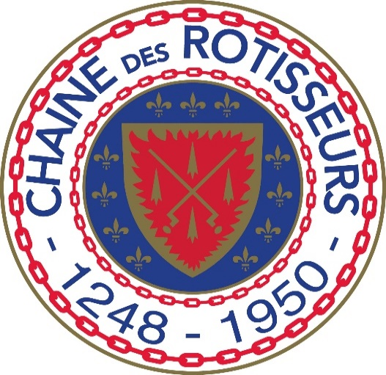
CONCOURS INTERNATIONAL DES JEUNES CHEFS ROTISSEURS 2017 Deutschland
 | COMMON TABLE

Dairy | Grocery | Grapeseed oil | Vanilla beans | Herbs

Milk 1,5% | Eggs | Sugar, brown | Bay leaves | Dill

Natural yoghurt | Gelatine leaves | Sugar, white | Tomato paste | Parsley

Creme Fraiche | Balsamic vinegar dark | Powdered sugar | Pepper, black | Rosemary

 | White wine vinegar | Wheat flour, white | Pepper, white | Thyme

 | olive oil, extra virgin | Potato starch | Agar-Agar | Mint

Broths and funds | Sunflower oil | Baking powder | Citric acid | Basil

Vegetable stock | Filo pastry | Baking soda | Babyleaf | Tarragon

Veal stock | Nori sheets | Dry yeast | Selection of various cress | Coriander

Fish stock | Soy sauce 2 varieties | Ginger fresh | Sea salt | Chives

